Site_Description
Site name |  |  |  | Site Summary1
 | Site code (optional) |  |  | Level 1 - Landscape Condition Assessment (LCA2) |  |  | 0.0
Site Location |  |  |  | Level 2 - NYRAM Grand score |  |  | 0
County |  |  |  | State-Listed Species (#) |  |  | 0
Town |  |  |  | Note: Level 1 LCA scores and rare species/community data are NOT required to fully complete NYRAM.
Sample location was determined |  |  |  |  | Placement notes
If "randomly" was selected, was the sample point moved?

GPS coordinate system |  |  | Lat |  |  | Long
Site notes

Wetland Survey Area (SA) Site Description
Cowardin Wetland Class* |  | 1o |  | 2o (if applicable)
Wetland Subclass (optional) |  | 1o |  | 2o (if applicable)
If an emergent wetland, is it dominated by invasive plants?
Dominant species
Wetland origin (e.g., natural, created)

Landscape setting & community type (optional)
Primary HGM class (Brooks et al. 2011)
Secondary HGM class (If applicable)
Primary subclass
NYNHP Community

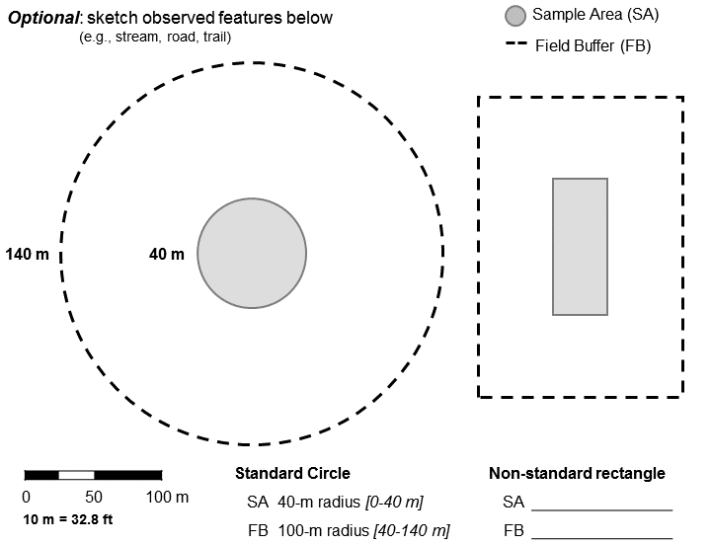
Basic guidelines for establishing a Sample Area (SA) in the field
Refer to the methods manual for detailed guidelines and pre-field office activities. The SA must include ≥90% wetland, and <10% of water >1 m deep. If applicable, randomly generated points must be shifted no more than 60 m from the original point to be considered "random".
The Standard NYRAM layout uses a circular 0.5 ha (1.24 acres) SA as the area of interest. Non-standard layouts range in shape and size from 0.1 ha to 0.5 ha.

SA Layout
SA area |  | SA Units
SA Dimensions determined by

1Note: the Site Summary includes optional information that is not required to complete NYRAM. These data are entered on the "Opptional_LCAscore_RareSpp" worksheet tab.

To learn about NYNHP Community classifications, visit our website:
http://www.acris.nynhp.org/communities.php

The Level 1 Landscape Condition Assessment (LCA) score is not required for completion of NYRAM. The LCA data model was produced by NYNHP and may be downloaded as a rasterized GIS layer:
http://nynhp.org/data

HGM classes follow Brooks et al. (2011), which may be access online via http://www.riparia.psu.edu/products/
Full citation: Brooks, R., M. Brinson, K. Havens, C. Hershner, R. Rheinhardt, D. Wardrop, D. Whigham, A. Jacobs, and J. Rubbo. 2011. Proposed hydrogeomorphic classification for wetlands of the Mid-Atlantic Region, USA. Wetlands 31(2):207-219.
The publication is available online for free: |  |  | http://www.riparia.psu.edu/products/
Wetland classification follows Cowardin et al. (1979) - see table below.
Note: Because of the range of environments in New York State, PFO1 and PFO4 are included as separate wetland "classes" because these common forested wetland types differ in their geographic distribution and predominate anthropogenic stressors.

Wetland Class | Description |  |  | Wetland Subclass | Description
PEM | Emergent |  |  | PEM1 | Emergent Persistent
PFO1 | Forested Broad-Leaved Deciduous |  |  | PEM2 | Emergent Non-persistent
PFO4 | Forested Needle-Leaved Evergreen |  |  | PEM5 | Emergent Phragmites australis
PSS | Scrub-shrub |  |  | PFO1 | Forested Broad-Leaved Deciduous
 |  |  |  | PFO2 | Forested Needle-Leaved Deciduous
 |  |  |  | PFO3 | Forested Broad-Leaved Evergreen
 |  |  |  | PFO4 | Forested Needle-Leaved Evergreen
 |  |  |  | PFO5 | Forested Dead
 |  |  |  | PFO6 | Forested Deciduous
 |  |  |  | PFO7 | Forested Evergreen
 |  |  |  | PSS1 | Scrub-Shrub Broad-Leaved Deciduous
 |  |  |  | PSS2 | Scrub-Shrub Needle-Leaved Deciduous
 |  |  |  | PSS3 | Scrub-Shrub Broad-Leaved Evergreen
 |  |  |  | PSS4 | Scrub-Shrub Needle-Leaved Evergreen
 |  |  |  | PSS5 | Scrub-Shrub Dead
 |  |  |  | PSS6 | Scrub-Shrub Deciduous
 |  |  |  | PSS7 | Scrub-Shrub Evergreen

PartB_FieldWorksheet
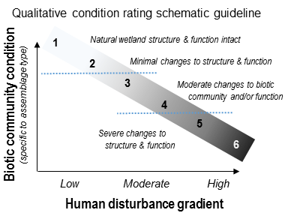
Level 2 - NYRAM 4.2
 | NYRAM 4.2 Part B: Field stressor checklist

 | Observer(s):
 | Site name: | 0
 | Survey date:

 | Indicate the presence of stressors in the Survey Area (SA) and/or Field Buffer (FB) by typing the number one (1) in the appropriate column. Use zero to indicate a stressor is absent. Cells with an "X" should not be altered.

 | Vegetation alterations
 | V1. Vegetation modification occurred within the past year, unless noted |  | SA | FB | Abs
 |  | Excessive to moderate wildlife herbivory (e.g., deer, geese, insects)
 |  | Moderate/intense livestock grazing (>25% bare soil)
 |  | Mowing (low intensity lawn or hay)
 |  | Golf course or highly maintained turf (NOT typical residential lawns)
 |  | Right-Of-Way: cleared (brush cutting, chemical, etc. assoc. with powerlines & roads)
 |  | ROW, but no maintenance evident within past year
 |  | Logging within 2 years
 |  | Annual agricultural row crops
 |  | Plantation (conversion from natural tree species, e.g., orchards, forestry)

 | V2. Invasive plant species abundance (see invasive richness list)
 |  | Absent (highlight/bold if applicable): SA FB Both
 |  | Uncommon (Present, ≤ 20% cover) – List species in the invasive survey (see end)
 |  | Abundant (Present, > 20% cover) – List species in the invasive survey (see end)

 | V3. Other vegetation alterations (e.g. woody debris removal)

 | Hydroperiod modification
 | H1. General hydroperiod alterations |  | SA | FB | Abs
 |  | Ditching, tile draining, or other dewatering methods
 |  | Stormwater inputs (e.g., source pipe, impervious surface/roads/parking lot)
 |  | Water inflow reduced by upstream structure
 |  | (dam / weir / culvert; including perpendicular road, railroad beds)
 |  | Water outflow reduced due to impounding structure (see above examples)

 | H2. Stream/riverine-specific modifiers
 |  | Artificial levee parallel to stream (including parallel road, railroad beds)
 |  | Channelized stream: straightened, hardened, or incised

 | H3. Other indicators of hydro modification
 | (e.g. high temperature discharge, dead/dying standing trees)

 | Other hydro/topographic modifications
 | T1. Development, filing, grading |  | SA | FB | Abs
 |  | Residential development: Low-moderate (≤2 houses/acre)
 |  | High (>2 houses /acre)
 |  | Commercial development (e.g., buildings, factories, parking lots)
 |  | Other filling/grading activity (not road-related; e.g., exposed soils, dredge spoils)
 |  | Landfill or illegal dump (excessive garbage, trash)

 | T2. Material removal
 |  | Artificial pond, dredging (not ditch-related)
 |  | Mining/quarry (highlight those present): sand gravel peat topsoil

 | T3. Roads, railroads, trails
 |  | Hiking or biking trail (well-established)
 |  | Unpaved dirt/gravel road (established ATV, logging roads)
 |  | Railroad (circle those present): active abandoned rail-to-trail
 |  | Paved road: 2 lane
 |  | 4 lane or larger

 | T4. Microtopography Soil surface variation <1 m in height (not pavement)
 |  | Vehicle or equipment tracks: ATV, off-road motorcycles
 |  | Skidder or plow lines
 |  | Ruts in unpaved road (within poorly maintained unpaved roads)
 |  | Livestock tracks

 | T5. Other evidence of hydrologic or topographic modifications
 | (water consistently turbid, active mine, etc. – list if present)
 |  | Evidence of historical land use: rusty fence, large rock pile (N), earth moved (SE)

 | Sediment transport
 | S1. Potential sediment stressors (within past year, unless noted) |  | SA | FB | Abs
 |  | Active: construction (soil disturbance for development)
 |  | plowing (agricultural planting)
 |  | Forestry (circle if known): clear cut, even-aged management (within 2 years)
 |  | selective tree harvesting, salvage (within 1 year)
 |  | Livestock grazing (intensive, ground is > 50% bare)
 |  | Sediment deposits / plumes
 |  | Erosion: stream banks (undercut/slumping, exposed tree roots) and/or upland slopes

 | S2. Other evidence of sedimentation / movement
 | (water consistently turbid, active mine, etc. – list if present)

 | Eutrophication
 | E1. Nutrient inputs |  | SA | FB | Abs
 |  | Direct discharge: agri. feedlots, manure spreading/pits, fish hatcheries
 |  | septic/sewage treatment plant
 |  | Adjacent to intensive annual row crops
 |  | Adjacent to intensive pasture grazing (>50% bare soil)
 |  | Dense/moderate algal mat formation

 | E2. Other evidence of contamination or toxicity
 | (acidic drainage, fish kills, industrial point discharge, etc. – list if present)

 |  | Sum of stressor tallies for each column: | 0 | 0 | 0

 | Qualitative condition rating
 | After completing the survey, describe the overall site quality (SA + FB) as it relates to the level of human-mediated disturbance. Enter the number that best described this site on a scale of 1 to 6.

 |  | Rating:

 |  | Additional notes (optional)

